Picture
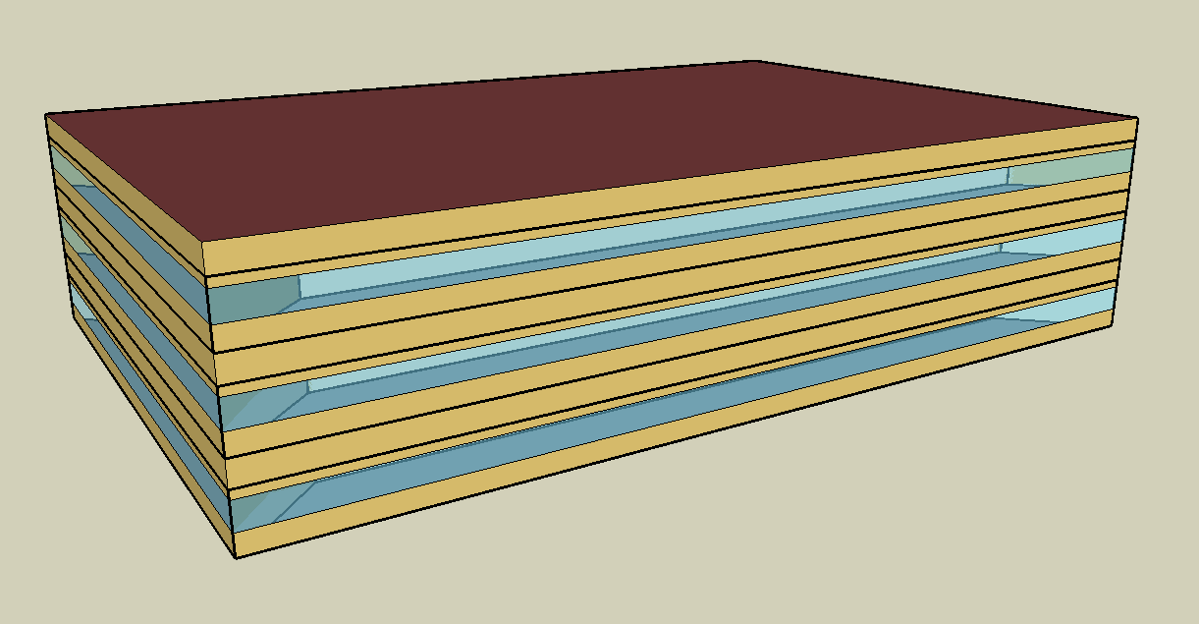
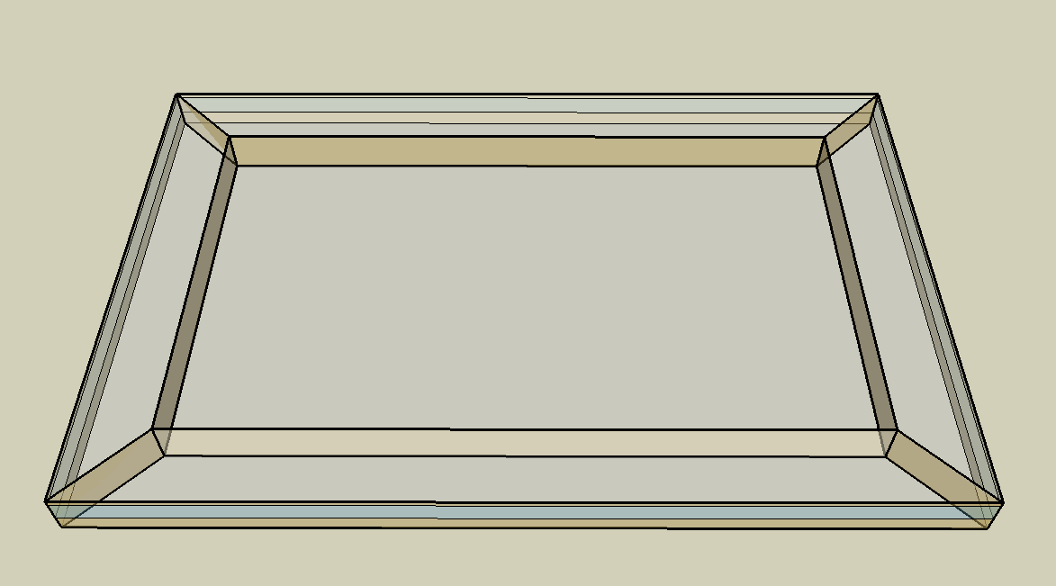
DOE Commercial Building Benchmark - Medium Office

Electricity
 | Heating | Cooling | Interior Lighting | Exterior Lighting | Interior Equipment | Fans | Pumps
Miami | 4,102.78 | 234,680.56 | 168,400.00 | 64,708.33 | 296,255.56 | 23,405.56 | 75.00
Houston | 46,805.56 | 186,177.78 | 168,400.00 | 64,683.33 | 296,255.56 | 21,016.67 | 75.00
Phoenix | 39,858.33 | 201,908.33 | 168,400.00 | 64,672.22 | 296,255.56 | 25,675.00 | 75.00
Atlanta | 58,108.33 | 118,130.56 | 168,400.00 | 64,661.11 | 296,255.56 | 18,433.33 | 75.00
Los Angeles | 14,808.33 | 75,355.56 | 168,400.00 | 64,611.11 | 296,255.56 | 15,747.22 | 75.00
Las Vegas | 36,491.67 | 146,477.78 | 168,400.00 | 64,597.22 | 296,255.56 | 22,758.33 | 75.00
San Francisco | 81,716.67 | 38,866.67 | 168,400.00 | 64,630.56 | 296,255.56 | 17,363.89 | 75.00
Baltimore | 106,202.78 | 101,836.11 | 168,400.00 | 64,591.67 | 296,255.56 | 18,811.11 | 75.00
Albuquerque | 64,841.67 | 83,616.67 | 168,400.00 | 64,616.67 | 296,255.56 | 22,744.44 | 75.00
Seattle | 114,755.56 | 31,033.33 | 168,400.00 | 64,488.89 | 296,255.56 | 16,552.78 | 75.00
Chicago | 132,113.89 | 69,602.78 | 168,400.00 | 64,602.78 | 296,255.56 | 18,186.11 | 75.00
Boulder | 89,030.56 | 56,708.33 | 168,400.00 | 64,563.89 | 296,255.56 | 20,091.67 | 75.00
Minneapolis | 173,330.56 | 61,277.78 | 168,400.00 | 64,561.11 | 296,255.56 | 19,077.78 | 75.00
Helena | 146,777.78 | 37,163.89 | 168,400.00 | 64,544.44 | 296,255.56 | 19,141.67 | 75.00
Duluth | 209,038.89 | 31,513.89 | 168,400.00 | 64,508.33 | 296,255.56 | 19,838.89 | 75.00
Fairbanks | 311,047.22 | 13,897.22 | 168,400.00 | 64,113.89 | 296,255.56 | 17,338.89 | 75.00

Gas
 | Heating | Water Systems
Miami | 50.00 | 22,720.00
Houston | 14,210.00 | 26,650.00
Phoenix | 1,520.00 | 24,380.00
Atlanta | 47,760.00 | 30,450.00
Los Angeles | 60.00 | 29,720.00
Las Vegas | 6,660.00 | 27,110.00
San Francisco | 1,290.00 | 32,970.00
Baltimore | 95,780.00 | 33,440.00
Albuquerque | 33,810.00 | 32,870.00
Seattle | 28,770.00 | 34,990.00
Chicago | 202,810.00 | 36,060.00
Boulder | 106,160.00 | 35,920.00
Minneapolis | 375,920.00 | 38,330.00
Helena | 224,880.00 | 38,740.00
Duluth | 435,720.00 | 42,060.00
Fairbanks | 1,061,830.00 | 46,580.00

EUI
 | Heating (elec) | Cooling (elec) | Interior Lighting (elec) | Exterior Lighting (elec) | Interior Equipment (elec) | Fans (elec) | Pumps (elec) | Heating (gas) | Water Systems (gas)
Miami | 2.96 | 169.57 | 121.68 | 46.76 | 214.07 | 16.91 | 0.05 | 0.01 | 4.56
Houston | 33.82 | 134.53 | 121.68 | 46.74 | 214.07 | 15.19 | 0.05 | 2.85 | 5.35
Phoenix | 28.80 | 145.89 | 121.68 | 46.73 | 214.07 | 18.55 | 0.05 | 0.31 | 4.89
Atlanta | 41.99 | 85.36 | 121.68 | 46.72 | 214.07 | 13.32 | 0.05 | 9.59 | 6.11
Los Angeles | 10.70 | 54.45 | 121.68 | 46.69 | 214.07 | 11.38 | 0.05 | 0.01 | 5.97
Las Vegas | 26.37 | 105.84 | 121.68 | 46.68 | 214.07 | 16.44 | 0.05 | 1.34 | 5.44
San Francisco | 59.05 | 28.08 | 121.68 | 46.70 | 214.07 | 12.55 | 0.05 | 0.26 | 6.62
Baltimore | 76.74 | 73.58 | 121.68 | 46.67 | 214.07 | 13.59 | 0.05 | 19.22 | 6.71
Albuquerque | 46.85 | 60.42 | 121.68 | 46.69 | 214.07 | 16.43 | 0.05 | 6.79 | 6.60
Seattle | 82.92 | 22.42 | 121.68 | 46.60 | 214.07 | 11.96 | 0.05 | 5.77 | 7.02
Chicago | 95.46 | 50.29 | 121.68 | 46.68 | 214.07 | 13.14 | 0.05 | 40.71 | 7.24
Boulder | 64.33 | 40.98 | 121.68 | 46.65 | 214.07 | 14.52 | 0.05 | 21.31 | 7.21
Minneapolis | 125.24 | 44.28 | 121.68 | 46.65 | 214.07 | 13.79 | 0.05 | 75.45 | 7.69
Helena | 106.06 | 26.85 | 121.68 | 46.64 | 214.07 | 13.83 | 0.05 | 45.14 | 7.78
Duluth | 151.05 | 22.77 | 121.68 | 46.61 | 214.07 | 14.34 | 0.05 | 87.46 | 8.44
Fairbanks | 224.75 | 10.04 | 121.68 | 46.33 | 214.07 | 12.53 | 0.05 | 213.13 | 9.35

Water
 | Total Building | Water for Electricity (m3)
Miami | 174.59 | 419.37
Houston | 174.59 | 1,274.71
Phoenix | 174.59 | 23,669.70
Atlanta | 174.59 | 4,520.76
Los Angeles | 174.59 | 11,153.60
Las Vegas | 174.59 | 20,165.50
San Francisco | 174.59 | 11,716.50
Baltimore | 174.59 | 171.68
Albuquerque | 174.59 | 3,181.05
Seattle | 174.59 | 7,065.54
Chicago | 174.59 | 1,162.40
Boulder | 174.59 | 3,156.42
Minneapolis | 174.59 | 1,214.74
Helena | 174.59 | 46,390.60
Duluth | 174.59 | 1,225.06
Fairbanks | 174.59 | 890.01

Carbon
 | Carbon Equivalent (kg)
Miami | 217,515.01
Houston | 262,053.04
Phoenix | 241,014.01
Atlanta | 224,448.24
Los Angeles | 74,776.46
Las Vegas | 248,524.98
San Francisco | 78,603.44
Baltimore | 206,387.21
Albuquerque | 287,375.42
Seattle | 51,519.13
Chicago | 403,762.23
Boulder | 286,519.13
Minneapolis | 275,477.22
Helena | 272,384.97
Duluth | 278,900.67
Fairbanks | 265,111.76

LghtSch
Lighting Schedules
 | Weekday | Saturday | Other
 | 0.05 | 0.05 | 0
 | 0.05 | 0.05 | 0
 | 0.05 | 0.05 | 0
 | 0.05 | 0.05 | 0
 | 0.05 | 0.05 | 0
 | 0.1 | 0.05 | 0
 | 0.1 | 0.1 | 0
 | 0.3 | 0.1 | 0
 | 0.9 | 0.5 | 0
 | 0.9 | 0.5 | 0
 | 0.9 | 0.5 | 0
 | 0.9 | 0.5 | 0
 | 0.9 | 0.5 | 0
 | 0.9 | 0.5 | 0
 | 0.9 | 0.15 | 0
 | 0.9 | 0.15 | 0
 | 0.9 | 0.15 | 0
 | 0.7 | 0.05 | 0
 | 0.5 | 0.05 | 0
 | 0.5 | 0.05 | 0
 | 0.3 | 0.05 | 0
 | 0.3 | 0.05 | 0
 | 0.1 | 0.05 | 0
 | 0.05 | 0.05 | 0

EqpSch
Equipment Schedules
 | Weekday | Saturday | Other
 | 0.4 | 0.3 | 0.3
 | 0.4 | 0.3 | 0.3
 | 0.4 | 0.3 | 0.3
 | 0.4 | 0.3 | 0.3
 | 0.4 | 0.3 | 0.3
 | 0.4 | 0.3 | 0.3
 | 0.4 | 0.4 | 0.3
 | 0.4 | 0.4 | 0.3
 | 0.9 | 0.5 | 0.3
 | 0.9 | 0.5 | 0.3
 | 0.9 | 0.5 | 0.3
 | 0.9 | 0.5 | 0.3
 | 0.8 | 0.5 | 0.3
 | 0.9 | 0.5 | 0.3
 | 0.9 | 0.35 | 0.3
 | 0.9 | 0.35 | 0.3
 | 0.9 | 0.35 | 0.3
 | 0.8 | 0.3 | 0.3
 | 0.6 | 0.3 | 0.3
 | 0.6 | 0.3 | 0.3
 | 0.5 | 0.3 | 0.3
 | 0.5 | 0.3 | 0.3
 | 0.4 | 0.3 | 0.3
 | 0.4 | 0.3 | 0.3

OccSch
Occupancy Schedules
 | Weekday | Saturday | Other
 | 0 | 0 | 0
 | 0 | 0 | 0
 | 0 | 0 | 0
 | 0 | 0 | 0
 | 0 | 0 | 0
 | 0 | 0 | 0
 | 0.1 | 0.1 | 0
 | 0.2 | 0.1 | 0
 | 0.95 | 0.5 | 0
 | 0.95 | 0.5 | 0
 | 0.95 | 0.5 | 0
 | 0.95 | 0.5 | 0
 | 0.5 | 0.5 | 0
 | 0.95 | 0.5 | 0
 | 0.95 | 0.1 | 0
 | 0.95 | 0.1 | 0
 | 0.95 | 0.1 | 0
 | 0.7 | 0 | 0
 | 0.4 | 0 | 0
 | 0.4 | 0 | 0
 | 0.1 | 0 | 0
 | 0.1 | 0 | 0
 | 0.05 | 0 | 0
 | 0.05 | 0 | 0

HeatSch
Heating Set Point Schedules
 | Weekday | Saturday | Sat, WinterDesign
 | 0 | 12.8 | 0.05
 | 0 | 12.8 | 0.05
 | 0 | 12.8 | 0.05
 | 0 | 12.8 | 0.05
 | 0 | 12.8 | 0.05
 | 0 | 12.8 | 0.08
 | 0 | 12.8 | 0.07
 | 1 | 12.8 | 0.11
 | 1 | 12.8 | 0.15
 | 1 | 12.8 | 0.21
 | 1 | 12.8 | 0.19
 | 1 | 12.8 | 0.23
 | 1 | 12.8 | 0.2
 | 1 | 12.8 | 0.19
 | 1 | 12.8 | 0.15
 | 1 | 12.8 | 0.13
 | 1 | 12.8 | 0.14
 | 1 | 12.8 | 0.07
 | 0 | 12.8 | 0.07
 | 0 | 12.8 | 0.07
 | 0 | 12.8 | 0.07
 | 0 | 12.8 | 0.09
 | 0 | 12.8 | 0.05
 | 0 | 12.8 | 0.05

CoolSch
Cooling Set Point Schedules
 | Weekday | Saturday | Other
 | 26.7 | 26.7 | 26.7
 | 26.7 | 26.7 | 26.7
 | 26.7 | 26.7 | 26.7
 | 26.7 | 26.7 | 26.7
 | 26.7 | 26.7 | 26.7
 | 26.7 | 26.7 | 26.7
 | 24 | 24 | 26.7
 | 24 | 24 | 26.7
 | 24 | 24 | 26.7
 | 24 | 24 | 26.7
 | 24 | 24 | 26.7
 | 24 | 24 | 26.7
 | 24 | 24 | 26.7
 | 24 | 24 | 26.7
 | 24 | 24 | 26.7
 | 24 | 24 | 26.7
 | 24 | 24 | 26.7
 | 24 | 24 | 26.7
 | 24 | 26.7 | 26.7
 | 24 | 26.7 | 26.7
 | 24 | 26.7 | 26.7
 | 24 | 26.7 | 26.7
 | 26.7 | 26.7 | 26.7
 | 26.7 | 26.7 | 26.7

